FL&Cost1
2 Function list & Cost
 | 2.1 Use case diagram
 |  | The general use case is as shown in the diagram below.

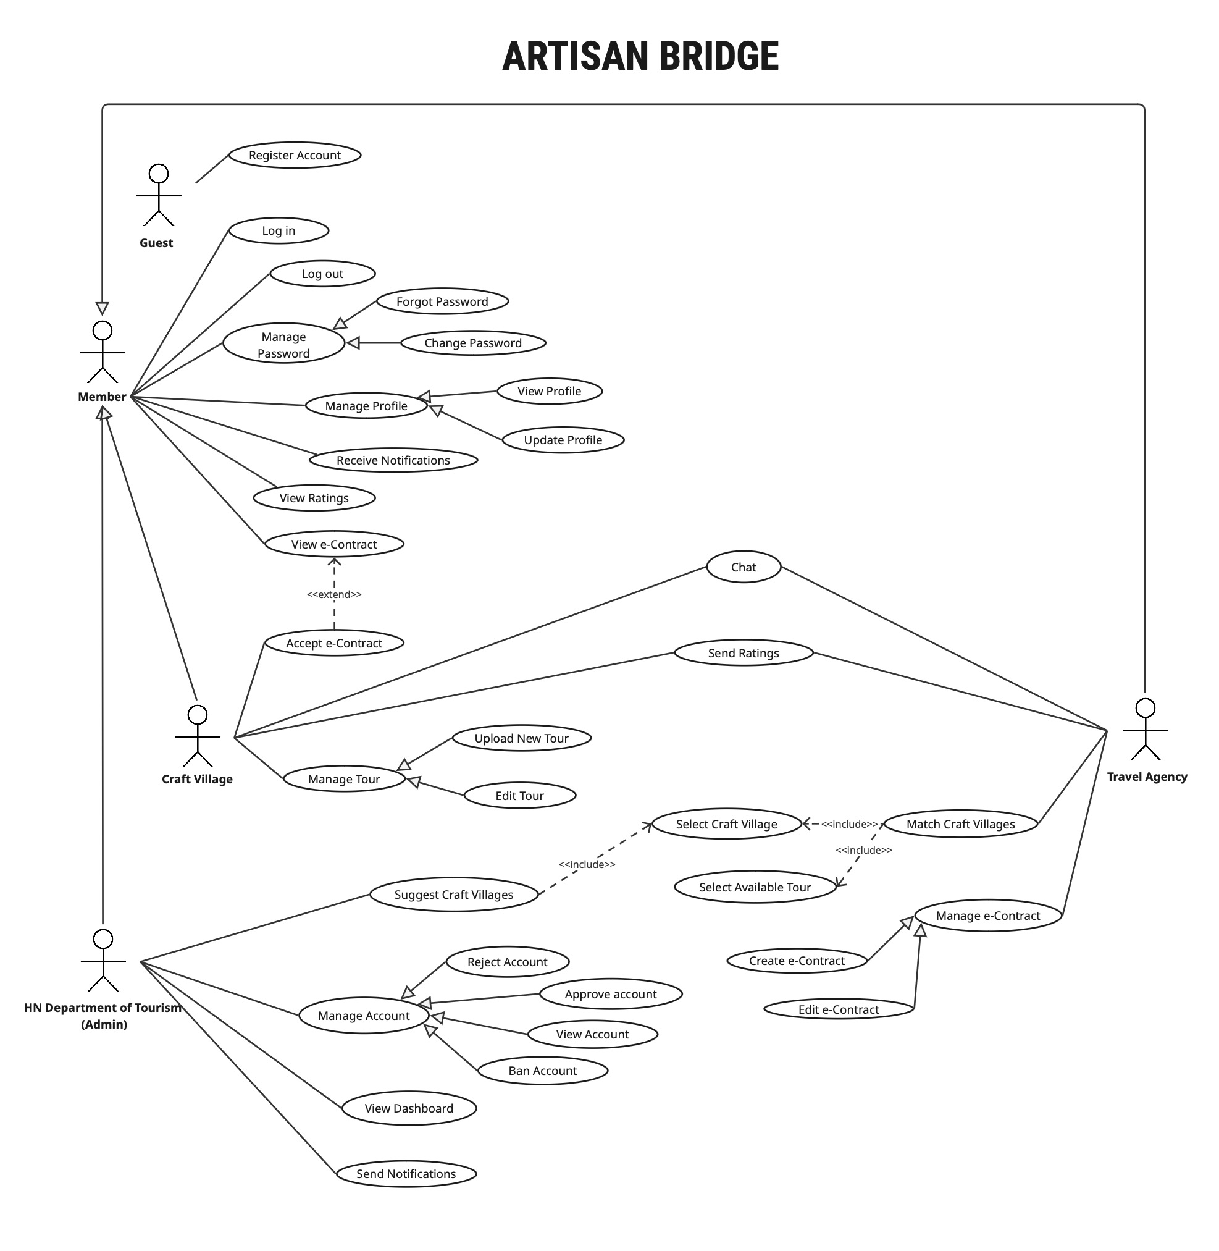

 |  |  |  |  |  |  |  |  |  | Figure 19: Use case diagram
 | 2.2 Function list

 |  | FUNCTION POINT CALCULATION
 |  |  |  |  |  |  |  | Data FP |  |  |  |  |  | Counting
 |  | No. | VAF |  |  | Weight: 0 (low) ~ 5 (high) |  |  | ILF / ELF |  | DET |  |  |  | FP |  | Complexity
 |  | 1 | Data communications |  |  | 3 |  |  | RET | 1 | 20 | 51 |  |  | Type | Low | Average | High
 |  | 2 | Distributed data processing |  |  | 3 |  |  | 1 | Low | Low | Average |  |  | ILF | 7 | 10 | 15
 |  | 3 | Performance |  |  | 3 |  |  | 2 | Low | Average | High |  |  | EIF | 5 | 7 | 10
 |  | 4 | Heavily used configuration |  |  | 3 |  |  | 6 | Average | High | High |  |  | EI | 3 | 4 | 6
 |  | 5 | Transaction rate |  |  | 3 |  |  |  |  |  |  |  |  | EO | 4 | 5 | 7
 |  | 6 | On-Line data entry |  |  | 3 |  | Transactional FP |  |  |  |  |  |  | EQ | 3 | 4 | 6
 |  | 7 | End-user efficiency |  |  | 3 |  |  | EI |  | DET
 |  | 8 | On-Line update |  |  | 3 |  |  | FTR | 1 | 5 | 16
 |  | 9 | Complex processing |  |  | 3 |  |  | 1 | Low | Low | Average
 |  | 10 | Reusability |  |  | 3 |  |  | 2 | Low | Average | High
 |  | 11 | Installation ease |  |  | 3 |  |  | 3 | Average | High | High
 |  | 12 | Operational ease |  |  | 3
 |  | 13 | Multiple sites |  |  | 3 |  |  | EO / EQ |  | DET
 |  | 14 | Facilitate change |  |  | 3 |  |  | FTR | 1 | 6 | 20
 |  |  |  |  |  | 42 |  |  | 1 | Low | Low | Average
 |  |  |  |  |  |  |  |  | 2 | Low | Average | High
 |  | FP: | Function Point |  |  |  |  |  | 4 | Average | High | High
 |  | VAF: | Value Added Factor
 |  | DET: | Data Element Type
 |  | RET: | Record Element Type
 |  | FTR: | File Types Referenced
 |  | ILF: | Internal Logical Files
 |  | EIF: | External Interface Files
 |  | EI: | External Inputs
 |  | EO: | External Outputs
 |  | EQ: | External Inquiry

 |  |  |  |  |  |  |  |  |  |  |  |  |  |  |  |  | Adjusted FP |  | 561.75
 |  | The table below lists the functions provided by this system. |  |  |  |  |  |  |  |  |  |  |  |  |  |  | Unadjusted FP |  | 525

 |  | No | Function Code | Module | Function name | Subfunction Name | Function overview |  |  |  | Actor | Category | DET | RET / FTR | Input | Output | Remarks | FP | FP adjusted
 |  | Transaction Functions
 |  | 1 | F-USER-01 | Account Management | Register Account | Display user registration form | Displays the form interface allowing a new user (Guest) to input registration details. |  |  |  | Guest | EQ | 7 | 1 | None | Registration page interface (Name, Email, Password, Account type) | Low | 3 | 3
 |  | 2 | F-USER-02 |  |  | Record and validate user input | Captures registration info and validates data for correctness and required formats. |  |  |  |  | EI | 7 | 2 | Full Name, Email, Password, Confirm Password, Account Type | Validated user data or specific error messages | Average | 4 | 4
 |  | 3 | F-USER-03 |  |  | Verify data and check for duplicates | Checks if the provided email address already exists in the system database. |  |  |  |  | EQ | 2 | 1 | User-provided email address | Valid status (not a duplicate) or "Email already exists" error | Low | 3 | 3
 |  | 4 | F-USER-04 |  |  | Create account and save to system | Creates a new user record with "Pending Approval" status and hashes the password. |  |  |  |  | EI | 16 | 3 | Validated user data (profile info + hashed password) | Newly created User ID and registration success message | High | 6 | 6
 |  | 5 | F-USER-05 |  | Login | Display login interface | Displays the form for registered users to enter credentials to access the system. |  |  |  | Member | EQ | 4 | 1 | None | Login page interface with Email and Password fields | Low | 3 | 3
 |  | 6 | F-USER-06 |  |  | Capture and verify credentials | Captures the email and password entered by the user and performs initial empty-field check. |  |  |  |  | EI | 3 | 1 | Email (string), Password (string) | Captured login credentials for authentication | Low | 3 | 3
 |  | 7 | F-USER-07 |  |  | Authenticate and grant access | Compares credentials against DB, checks "Approved" status, and creates a user session. |  |  |  |  | EI | 5 | 2 | Email, Plain-text password | Authenticated user session/token or "Invalid" error message | Average | 4 | 4
 |  | 8 | F-USER-08 |  |  | Redirect to homepage | Automatically navigates the user to their personalized dashboard after successful login/logout. |  |  |  |  | EQ | 1 | 1 | Valid user session or Logout trigger | User's dashboard or public homepage interface | Low | 3 | 3
 |  | 9 | F-USER-09 |  | Logout | Terminate session | Invalidates the current user session or authentication token upon logout request. |  |  |  |  | EI | 1 | 1 | Logout request from the user | Terminated user session status | Low | 3 | 3
 |  | 10 | F-USER-10 |  |  | Confirm logout | Displays a confirmation message indicating the user has successfully exited the system. |  |  |  |  | EQ | 1 | 1 | None (triggered after F-USER-09) | "You have been successfully logged out" message | Low | 3 | 3
 |  | 11 | F-USER-11 |  | Forgot Password | Display password recovery interface | Displays the form allowing a user to enter their email to start the password reset process. |  |  |  |  | EQ | 2 | 1 | None | Recovery page with email input field and "Submit" button | Low | 3 | 3
 |  | 12 | F-USER-12 |  |  | Validate email existence and generate recovery token | Verifies if the email exists and generates a secure, time-limited token for reset. |  |  |  |  | EI | 6 | 3 | User-provided email address | Success status and generated unique recovery token | High | 6 | 6
 |  | 13 | F-USER-13 |  |  | Deliver recovery notification via email | Sends an email containing an OTP to the user's registered address. |  |  |  |  | EO | 10 | 2 | User Email, Recovery Token/Link | Recovery email sent status (Success/Fail) | Average | 5 | 5
 |  | 14 | F-USER-14 |  |  | Verify recovery token and validate new password complexity | Validates the token and ensures the new password meets complexity requirements. |  |  |  |  | EI | 8 | 2 | Recovery Token, New Password, Confirm Password | Token validation status and password complexity pass/fail | Average | 4 | 4
 |  | 15 | F-USER-15 |  |  | Update password in database and invalidate old token | Saves the new hashed password to the DB and disables the used recovery token. |  |  |  |  | EI | 16 | 4 | User ID, Validated New Password (hashed) | Success message and redirect to login page | High | 6 | 6
 |  | 16 | F-USER-16 |  | Change Password | Display change password form | Provides the interface within settings for a logged-in Member to update their password. |  |  |  |  | EQ | 4 | 1 | None | Form with Current, New, and Confirm Password fields | Low | 3 | 3
 |  | 17 | F-USER-17 |  |  | Authenticate current password and validate new input match | Verifies the old password and ensures the new inputs match and meet policies. |  |  |  |  | EI | 7 | 2 | Current Password, New Password, Confirm New Password | Validation status and match/mismatch messages | Average | 4 | 4
 |  | 18 | F-USER-18 |  |  | Encrypt and save new password to the database | Hashes the new password and updates the user record with a new timestamp. |  |  |  |  | EI | 2 | 1 | User ID, Validated New Password | Success/Failure status of the DB update operation | Low | 3 | 3
 |  | 19 | F-USER-19 |  |  | Display password change success notification | Provides immediate visual feedback confirming the password update was successful. |  |  |  |  | EQ | 1 | 1 | Success status from F-USER-18 | On-screen popup success message | Low | 3 | 3
 |  | 20 | F-PROFILE-01 | Profile Management | View Profile | Display profile interface | Displays the personal profile information page for the logged-in user. |  |  |  |  | EQ | 8 | 2 | User ID from the current session | The "My Profile" page interface | Average | 4 | 4
 |  | 21 | F-PROFILE-02 |  |  | Retrieve user data from the database | Fetches detailed information, tour/contract statistics, and ratings of the user. |  |  |  |  | EQ | 20 | 4 | User ID | User data object (Name, Email, Stats, etc.) | High | 6 | 6
 |  | 22 | F-PROFILE-03 |  |  | Show detailed information | Populates the fetched user data into the corresponding fields on the interface. |  |  |  |  | EQ | 8 | 1 | User data object | Populated profile interface for viewing | Low | 3 | 3
 |  | 23 | F-PROFILE-04 |  |  | Redirect to previous interface | Handles navigation back to the previous page or homepage from profile. |  |  |  |  | EQ | 1 | 1 | Back or Home button click | Previous page or homepage interface | Low | 3 | 3
 |  | 24 | F-PROFILE-05 |  | Update Profile | Display editable profile form | Renders the profile information within an editable form for modification. |  |  |  |  | EQ | 8 | 2 | Edit button click event | Pre-filled editable form interface | Average | 4 | 4
 |  | 25 | F-PROFILE-06 |  |  | Enable editing for selected fields | Activates the input fields to allow user interaction and data entry. |  |  |  |  | EQ | 8 | 1 | Displayed editable form | Active fields state (Ready for input) | Low | 3 | 3
 |  | 26 | F-PROFILE-07 |  |  | Capture and validate input | Captures new information and checks for correct formats (e.g., phone, address). |  |  |  |  | EI | 7 | 1 | Updated profile data from form | Validated data or real-time error messages | Low | 3 | 3
 |  | 27 | F-PROFILE-08 |  |  | Update user data in the database | Saves the validated changes and updates the "Last Modified" timestamp. |  |  |  |  | EI | 16 | 2 | Validated user data object | Success/Failure status for the update | High | 6 | 6
 |  | 28 | F-PROFILE-09 |  |  | Display update success notification | Provides a clear confirmation message to the user after saving changes. |  |  |  |  | EQ | 2 | 1 | Success status from F-PROFILE-08 | "Profile updated successfully" message | Low | 3 | 3
 |  | 29 | F-DIR-01 | Directory & Search | Select Craft Villages (For Matching) | Display list of available craft villages | Retrieves and displays a grid of all approved craft villages for browsing. |  |  |  | Travel Agency | EQ | 6 | 1 | Access request, pagination params | List of villages with summary info | Low | 3 | 3
 |  | 30 | F-DIR-02 |  |  | Filter and sort villages based on keywords or categories | Allows users to narrow down villages by name, region, or specialty. |  |  |  |  | EQ | 4 | 1 | Search keywords, filter/sort options | Updated and filtered village list | Low | 3 | 3
 |  | 31 | F-DIR-03 |  |  | Retrieve and show village information | Fetches a 360-degree view of a village (Photos, Description, Tours, Ratings). |  |  |  |  | EQ | 20 | 4 | Village ID | Village detail page interface | High | 6 | 6
 |  | 32 | F-DIR-04 |  |  | Redirect to previous interface | Returns the user to the filtered directory view or the main homepage. |  |  |  |  | EQ | 1 | 1 | Back button | Previous directory view or homepage | Low | 3 | 3
 |  | 33 | F-DIR-05 |  | Select Available Tour | Display list of current tours | Shows a list of all currently published tours available for travel agencies. |  |  |  |  | EQ | 6 | 1 | Access request, pagination | Tour list interface with summary info | Low | 3 | 3
 |  | 34 | F-DIR-06 |  |  | Filter and sort tours by date, location, or theme | Provides options to sort tours by price, date, or specific themes. |  |  |  |  | EQ | 4 | 1 | Filter criteria (Date, Price, Theme) | Filtered list of tours | Low | 3 | 3
 |  | 35 | F-DIR-07 |  |  | Retrieve and show tour information | Displays comprehensive details of a selected tour (Schedule, pricing, media). |  |  |  |  | EQ | 15 | 3 | Tour ID | Tour detail page interface | Average | 4 | 4
 |  | 36 | F-DIR-08 |  | Match Craft Villages | Display matching button on village interface | Displays the "Match" button strictly for Travel Agencies on village profiles. |  |  |  |  | EQ | 7 | 3 | User Role (Travel Agency) | Interactive "Match" button visible on UI | Average | 4 | 4
 |  | 37 | F-DIR-09 |  |  | Trigger matching request process | Initiates a partnership request by creating a record in the Matching Database. |  |  |  |  | EI | 6 | 2 | Agency ID, Village ID | "Pending" matching record created in DB | Average | 4 | 4
 |  | 38 | F-DIR-10 |  |  | Display matching request confirmation | Alerts the agency that the request was sent and updates the button status. |  |  |  |  | EO | 3 | 2 | Success status from F-DIR-09 | "Matching Request sent successfully" pop-up | Low | 4 | 4
 |  | 39 | F-DIR-11 |  |  | Display matching request status list | Dashboard for agencies to track status (Pending, Accepted, Rejected) of matches. |  |  |  |  | EQ | 10 | 3 | Travel Agency ID | List of requests with current statuses | Average | 4 | 4
 |  | 40 | F-CONTRACT-01 | E-Contract Management | View e-Contract | Display e-Contract list | Shows all contracts related to the user, filtered by their role and status. |  |  |  | Member | EQ | 6 | 1 | User ID, User Role | Contract list/table interface | Low | 3 | 3
 |  | 41 | F-CONTRACT-02 |  |  | Retrieve and display e-Contract details | Fetches terms, parties info, and negotiation history for detailed review. |  |  |  |  | EQ | 22 | 4 | Contract ID, User ID | Detailed contract view or PDF preview | High | 6 | 6
 |  | 42 | F-CONTRACT-03 |  |  | Redirect to previous interface | Navigates the user back to the contract list or their dashboard. |  |  |  |  | EQ | 1 | 1 | Close or Back button click | Previous contract list or dashboard | Low | 3 | 3
 |  | 43 | F-CONTRACT-04 |  | Create e-Contract | Auto-generate e-Contract from template | Automatically pre-fills a standard template with data from user profiles. |  |  |  | Travel Agency | EO | 20 | 3 | Match ID / Request ID | Pre-filled digital contract form | High | 7 | 7
 |  | 44 | F-CONTRACT-05 |  |  | Capture and validate e-Contract inputs | Records commercial terms (Price, Dates) entered by the agency. |  |  |  |  | EI | 8 | 1 | Price, Dates, Service details | Validated contract data object | Low | 3 | 3
 |  | 45 | F-CONTRACT-06 |  |  | Save e-Contract and set Pending status | Saves the contract into the DB and makes it visible to the Craft Village. |  |  |  |  | EI | 10 | 1 | Validated contract object | "Pending Review" status in DB | Low | 3 | 3
 |  | 46 | F-CONTRACT-07 |  |  | Display success notification and notify Craft Village | Confirms creation to agency and sends a notification to the village partner. |  |  |  |  | EO | 4 | 2 | Success status from F-CONTRACT-06 | Success message UI + System notification | Low | 4 | 4
 |  | 47 | F-CONTRACT-08 |  | Edit e-Contract | Validate updated inputs and maintain version history | Validates negotiation edits and logs the changes for transparency. |  |  |  |  | EI | 7 | 2 | Modified fields, User ID | Pass/Fail status and audit log entry | Average | 4 | 4
 |  | 48 | F-CONTRACT-09 |  |  | Update e-Contract data and notify Craft Village | Commits updated terms to DB and alerts the other party to review edits. |  |  |  |  | EI | 9 | 2 | Validated data, Partner ID | Updated record and alert notification | Average | 4 | 4
 |  | 49 | F-CONTRACT-10 |  | Accept e-Contract | Update e-Contract to finalized status | Permanently locks the contract as "Accepted" once the village confirms. |  |  |  | Craft Village | EI | 4 | 1 | Contract ID, User ID | "Finalized" status in DB | Low | 3 | 3
 |  | 50 | F-CONTRACT-11 |  |  | Display success confirmation message | Provides visual feedback that the contract is now officially agreed upon. |  |  |  |  | EQ | 2 | 1 | Success status from F-CONTRACT-10 | "Contract accepted successfully" message | Low | 3 | 3
 |  | 51 | F-CONTRACT-12 |  |  | Generate digital signature page | Creates a final PDF including a verification log of both parties and a hash. |  |  |  |  | EO | 22 | 3 | Finalized data, timestamps | Downloadable Finalized PDF document | High | 7 | 7
 |  | 52 | F-TOUR-01 | Tour Management | Upload New Tour | Render form for uploading a tour | Displays a blank form for the Village to enter new tour details. |  |  |  |  | EQ | 8 | 2 | Request to add new tour | Blank tour creation form interface | Average | 4 | 4
 |  | 53 | F-TOUR-02 |  |  | Input and validate tour information | Captures and validates data (Price must be positive, Dates in future). |  |  |  |  | EI | 7 | 1 | Tour Name, Price, Schedule, etc. | Validated tour data or error messages | Low | 3 | 3
 |  | 54 | F-TOUR-03 |  |  | Save tour data and upload media files | Stores tour record and handles image/video file uploads to storage. |  |  |  |  | EI | 16 | 3 | Validated data, Media files | New Tour ID and success message | High | 6 | 6
 |  | 55 | F-TOUR-04 |  |  | Make tour publicly visible on the platform | Updates tour status from "Draft" to "Published" for Agency visibility. |  |  |  |  | EI | 3 | 2 | Tour ID | "Tour published successfully" message | Low | 3 | 3
 |  | 56 | F-TOUR-05 |  | Edit Tour | Retrieve and display existing tour for editing | Fetches stored data of an existing tour and populates it into the edit form. |  |  |  |  | EQ | 8 | 2 | Tour ID | Pre-filled tour editing form | Average | 4 | 4
 |  | 57 | F-TOUR-06 |  |  | Modify tour information such as title, description, and media | Re-validates the updated fields (Title, Description, Media) before saving. |  |  |  |  | EI | 8 | 1 | New form data entered by user | Validated updated data or error messages | Low | 3 | 3
 |  | 58 | F-TOUR-07 |  |  | Save updated tour information to the database | Persists changes to the DB and handles updating/replacing media files. |  |  |  |  | EI | 16 | 3 | Validated object, Tour ID | "Update successful" message | High | 6 | 6
 |  | 59 | F-NOTI-01 | Notification Services | Receive Notifications | Identify system or user-triggered events that require notification | A background process that detects specific actions (matching, contract signing, etc.) that require an alert. |  |  |  | Member | EQ | 3 | 1 | System events (e.g., match request, account approval) | Event flag containing event type and relevant IDs | Low | 3 | 3
 |  | 60 | F-NOTI-02 |  |  | Create notification message and assign target recipient(s) | Constructs the message content using predefined templates and identifies the correct recipient(s). |  |  |  |  | EO | 5 | 2 | Event flag, notification templates | Complete notification object (Receiver ID, Title, Body) | Low | 4 | 4
 |  | 61 | F-NOTI-03 |  |  | Deliver notification via in-app or email channels | Dispatches the notification through designated channels based on user preferences. |  |  |  |  | EI | 12 | 4 | Notification object, User preferences | Sent notification (In-app/Email) and delivery log | High | 6 | 6
 |  | 62 | F-NOTI-04 |  |  | Show received notifications on the user dashboard | Fetches and displays a list of unread and past notifications in the user's notification center. |  |  |  |  | EQ | 6 | 2 | User ID | Formatted list of notifications sorted by date | Average | 4 | 4
 |  | 63 | F-RT-01 | Ratings | View Ratings | Display rating interface (e.g., stars, comment box) | Renders the UI components (stars, progress bars) for users to see the overall feedback. |  |  |  |  | EQ | 3 | 2 | Request to view ratings | Rating interface shell | Low | 3 | 3
 |  | 64 | F-RT-02 |  |  | Fetch rating information from the database | Queries the database for all approved ratings and comments linked to a specific village or tour. |  |  |  |  | EQ | 5 | 2 | Village ID or Tour ID | Collection of raw rating records | Low | 3 | 3
 |  | 65 | F-RT-03 |  |  | Show overall average rating and number of reviews | Performs calculations to display the mean score and the total volume of feedback received. |  |  |  |  | EO | 8 | 3 | Collection of rating data | Average star score and total count (e.g., 4.5 stars, 120 reviews) | Average | 5 | 5
 |  | 66 | F-RT-04 |  |  | Present individual ratings with reviewer name, score, and comment | Renders the detailed list of reviews, including names (anonymized if needed), scores, and text. |  |  |  |  | EQ | 5 | 2 | Collection of rating data | Detailed review list on UI | Low | 3 | 3
 |  | 67 | F-RT-05 |  |  | Enable filtering or sorting by score, date, or reviewer | Allows users to re-order the list (e.g., newest first) or filter by specific star levels. |  |  |  |  | EO | 6 | 2 | Sort/Filter criteria (e.g., "5 stars only") | Re-rendered list based on criteria | Average | 5 | 5
...

